Intro
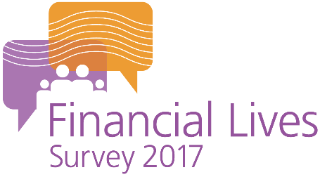

The FCA’s Financial Lives Survey 2017

The Financial Lives Survey 2017 is a tracking study designed to provide the FCA with insight on consumer behaviour and experience in the retail financial markets we regulate.

This volume of tables contains questions on:

 | Fraud & Scams

Please also refer to the accompanying documents

 | Weighted tables user guide
 | Questionnaire
 | Technical report

For further information please email |  | financiallivessurvey@fca.org.uk

Example table
