Intro
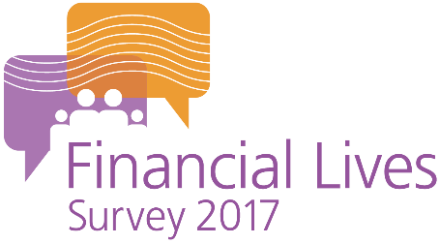

The FCA’s Financial Lives Survey 2017

The Financial Lives Survey 2017 is a tracking study designed to provide the FCA with insight on consumer behaviour and experience in the retail financial markets we regulate. This set of data tables includes Vulnerability tables and banners, updated in line with the FCA’s Vulnerability Guidance Consultation Paper, published on 29 July 2020. The label used to indicate the change to these tables and banners is ‘Vulnerability (enhanced)’

This volume of tables contains questions on:

 | Guidance

Please also refer to the accompanying documents

 | Weighted tables user guide
 | Questionnaire
 | Technical report

For further information please email |  | financiallivessurvey@fca.org.uk

Example table
