Intro

The FCA’s Financial Lives Survey 2017

The Financial Lives Survey 2017 is a tracking study designed to provide the FCA with insight on consumer behaviour and experience in the retail financial markets we regulate.

This volume of tables contains questions on:

 | Regulated advice (C5 x C7)
 | General insurance cross product holdings
 | Gender (to 1 decimal place)
 | Retirement income (P_AC16)
 | Guidance sources for those planning to retire (B1A2)
 | Switching day to day accounts (RB47)
 | Switching savings accounts (RB102b)
 | Switching general insurance provider (G1b/c)

Please also refer to the accompanying documents

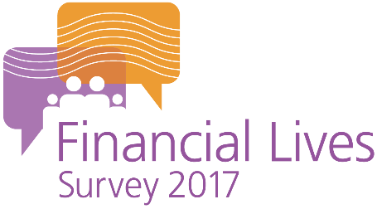
 | Weighted tables user guide
 | Questionnaire
 | Technical report

For further information please email |  | financiallivessurvey@fca.org.uk

Example table
