Intro (18)

The FCA’s Financial Lives 2020 survey

The Financial Lives 2020 survey is a tracking study designed to provide the FCA with insight on consumer behaviour and experience in the retail financial markets we regulate.

Contents of this volume:

 | Example table
 | Table of contents
 | Satisfaction with product summary
 | Satisfaction with product summary (rebased)
 | Trust in product provider summary
 | Trust in product provider summary (rebased)
 | Whether shopped around summary
 | Whether shopped around summary (rebased)
 | Whether switched summary
 | Whether switched summary (rebased)
 | Problems and complaints summary
 | Impact of problems and complaints summary
 | Who complained to summary
 | Length of product holding summary

Please also refer to the accompanying documents

 | 2020 Data tables user guide
 | 2020 Questionnaire
 | 2020 Technical report

For further information please email |  | financiallivessurvey@fca.org.uk

Example table
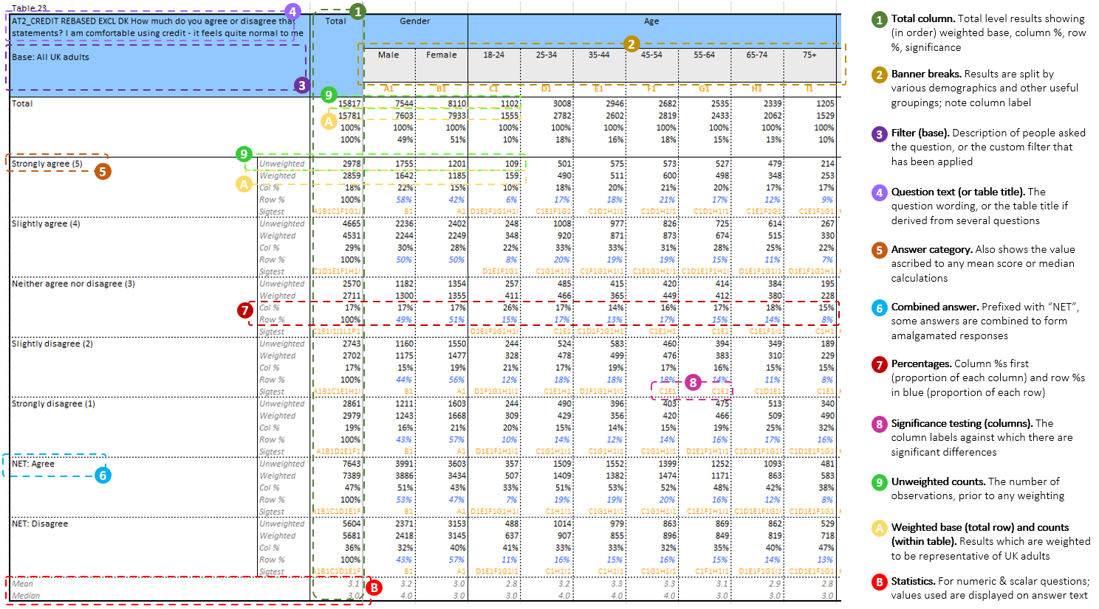

Financial concepts - numeracy
Credit card users who revolve a balance
Motor finance

