Intro (3a)

The FCA’s Financial Lives 2020 survey

The Financial Lives 2020 survey is a tracking study designed to provide the FCA with insight on consumer behaviour and experience in the retail financial markets we regulate.

Contents of this volume:

 | Example table
 | Table of contents
 | Retail banking product ownership
 | F12 and F13
 | Retail investment product ownership
 | Mortgages product ownership

NOTE: Many questions in the Product Ownership sections do not show the final picture. Please refer to the "Summaries" section of Product Ownership part 2 for the best information on product holding.

Please also refer to the accompanying documents

 | 2020 Data tables user guide
 | 2020 Questionnaire
 | 2020 Technical report

For further information please email |  | financiallivessurvey@fca.org.uk

Example table
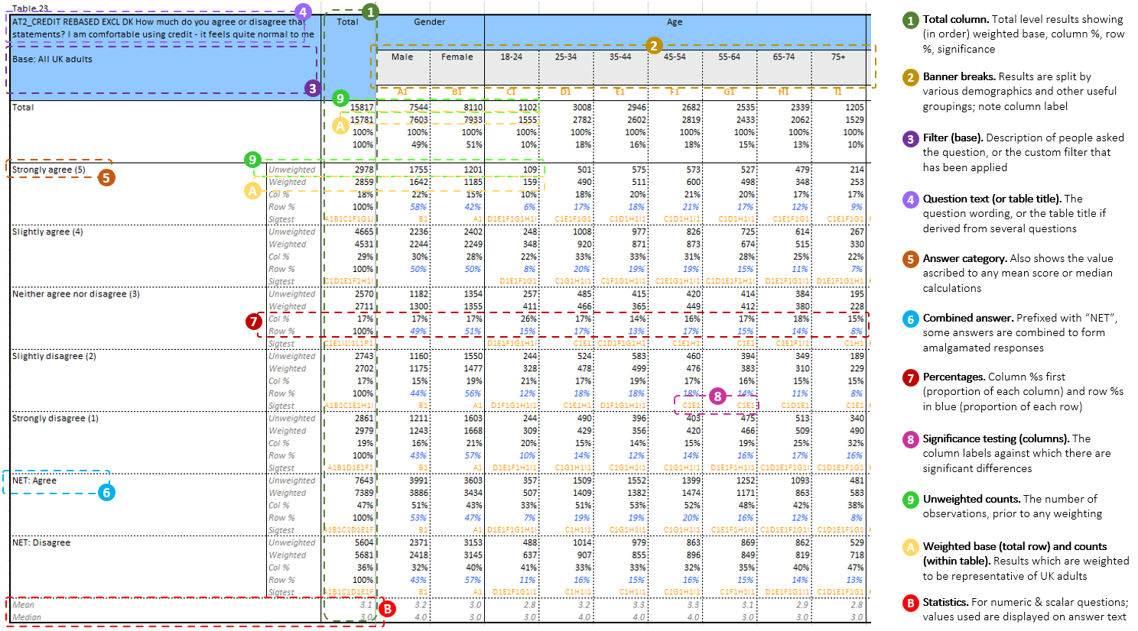

Financial concepts - numeracy
Credit card users who revolve a balance
Motor finance

