Intro (8)

The FCA’s Financial Lives 2020 survey

The Financial Lives 2020 survey is a tracking study designed to provide the FCA with insight on consumer behaviour and experience in the retail financial markets we regulate.

Contents of this volume:

 | Example table
 | Table of contents
 | Consumer credit 2

Please also refer to the accompanying documents

 | 2020 Data tables user guide
 | 2020 Questionnaire
 | 2020 Technical report

For further information please email |  | financiallivessurvey@fca.org.uk

Example table
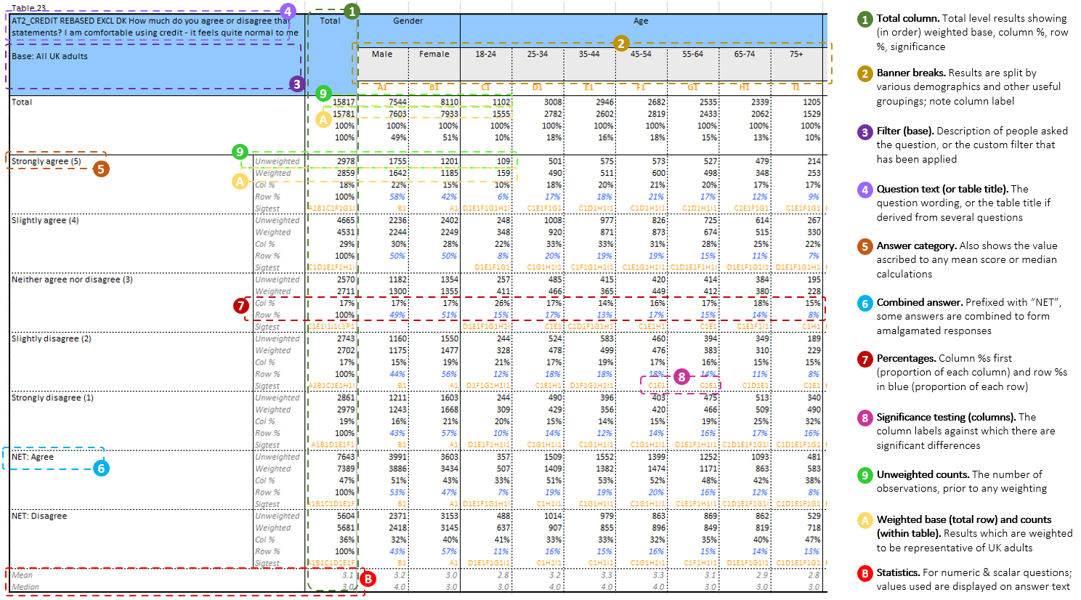

Financial concepts - numeracy
Credit card users who revolve a balance
Motor finance

