Intro (9)

The FCA’s Financial Lives 2020 survey

The Financial Lives 2020 survey is a tracking study designed to provide the FCA with insight on consumer behaviour and experience in the retail financial markets we regulate.

Contents of this volume:

 | Example table
 | Table of contents
 | Catalogue credit
 | Pawnbroker loans
 | Home-collected credit
 | Payday loan (single payment) and short-term instalment loans
 | Rent-to-own agreements

Please also refer to the accompanying documents

 | 2020 Data tables user guide
 | 2020 Questionnaire
 | 2020 Technical report

For further information please email |  | financiallivessurvey@fca.org.uk

Example table
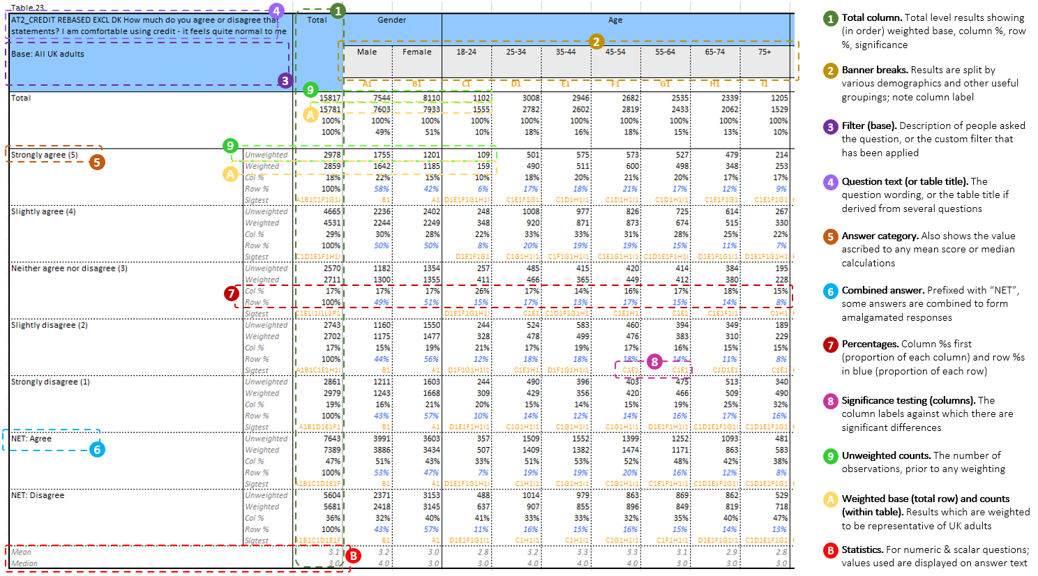
 | Those with poor or non-existent digital skills, ie digitally excluded (from the capability component of vulnerability)

Financial concepts - numeracy
Credit card users who revolve a balance
Motor finance

