Intro (6)
The FCA’s Financial Lives 2022 survey
The Financial Lives 2022 survey is a tracking study designed to provide the FCA with insight on consumer behaviour and experience in the retail financial markets we regulate.
 | Contents of this volume:

 |  | How to read the tables
 |  | Table of contents
 |  | Cash savings product ownership
 |  | Cash savings
 |  | Savings accounts and Cash ISAs (product banner)
 |  | Savings accounts (all banners)
 |  | Cash ISA (all banners)
 |  | Caveats to tracking

 | Please also refer to the accompanying documents

 | • | 2022 Data tables user guide
 | • | 2022 Questionnaire
 | • | 2022 Technical report

 | For further information please email:


 |  | financiallivessurvey@fca.org.uk

How to read the tables
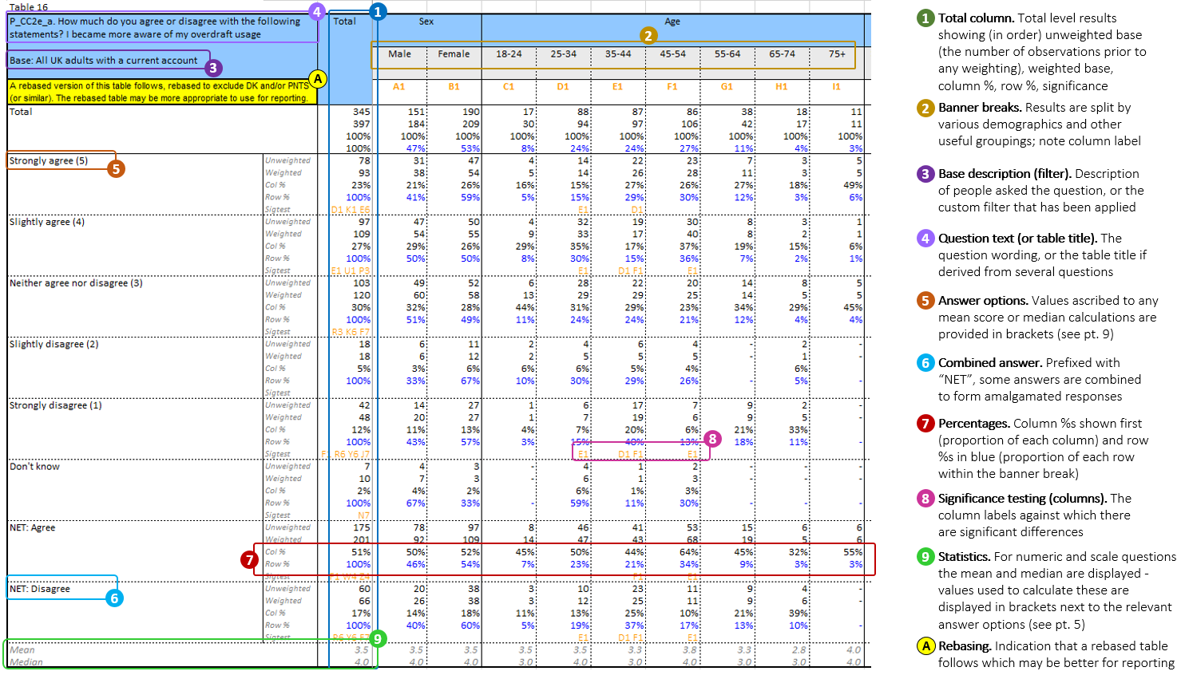
Table

