Intro (8)
The FCA’s Financial Lives 2022 survey
The Financial Lives 2022 survey is a tracking study designed to provide the FCA with insight on consumer behaviour and experience in the retail financial markets we regulate.
 | Contents of this volume:

 |  | How to read tracker tables
 |  | Table of contents
 |  | Consumer investments
 |  | Consumer investments problems and complaints
 |  | Caveats to tracking

 | Please also refer to the accompanying documents

 | • | 2022 Data tables user guide
 | • | 2022 Questionnaire
 | • | 2022 Technical report

 | For further information please email:


 |  | financiallivessurvey@fca.org.uk

How to read tracker tables
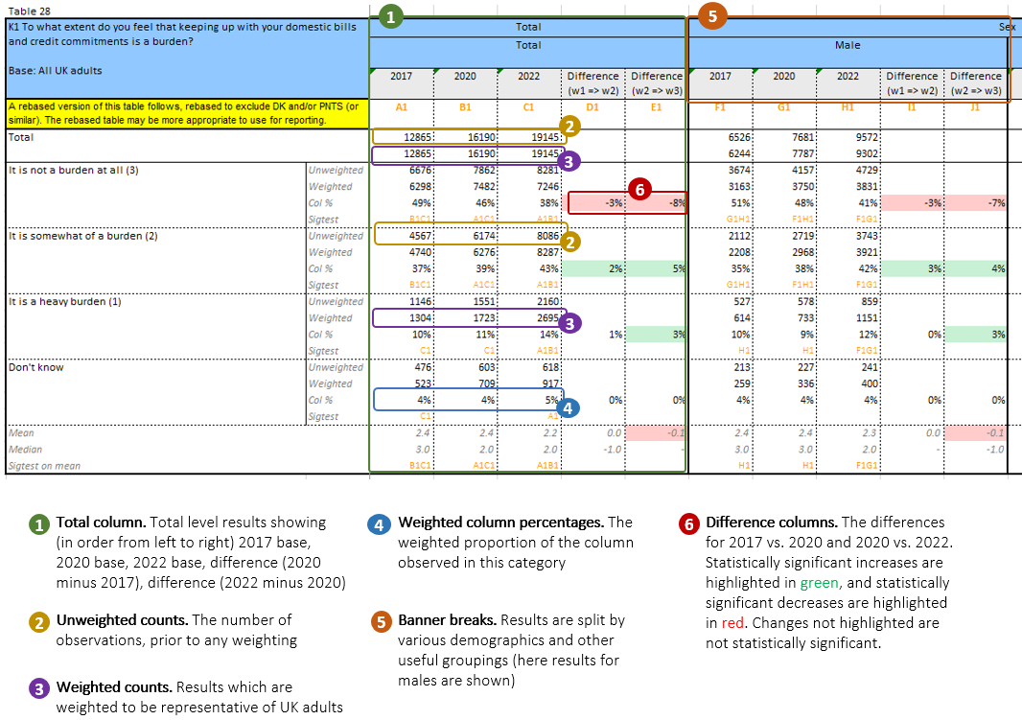
Table

